Sheet1
 |  |  |  |  | at storage 6 h
 |  |  |  | SM |  | LCOE(cents/kWh)
 |  |  | 7400 | 1 | 7400 | 43.51
 |  |  | 7400 | 1.2 | 8880 | 34.8
 |  |  | 7400 | 1.4 | 10360 | 29.07
 |  |  | 7400 | 1.6 | 11840 | 25.75
 |  |  | 7400 | 1.8 | 13320 | 22.57
 |  |  | 7400 | 2 | 14800 | 21.66
 |  |  | 7400 | 2.4 | 17760 | 20.07
 |  |  | 7400 | 3 | 22200 | 20.28

 |  |  | SM | 1.8
 |  |  | TES hours | LCOE(cents/kWh)
 |  |  | 0 | 26.79
 |  |  | 2 | 22.96
 |  |  | 4 | 22.05
 |  |  | 6 | 22.57
 |  |  | 8 | 23.23
 |  |  | 10 | 23.89

 |  |  | P net MW | P1 | T1 | Eff Power Block | Eff Solar to Electricty
 |  |  | 100 | 140 | 520 | 26.61% | 23.50%
Midelt I and Midelt II | 2 | selected | 125 | 160 | 560 | 27.47% | 24.47%
Same capacity (SM 1.8, 6 hours storage) |  |  | 150 | 140 | 525 | 26.68% | 23.72%
 |  |  | 175 | 160 | 550 | 27.34% | 24.41%
 |  |  | 200 | 140 | 530 | 26.74% | 23.67%
 |  |  | 250 | 160 | 560 | 27.47% | 24.03%

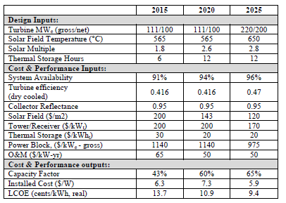

 |  |  |  |  |  | 250 | 0.2747 | 0.2403
 |  |  |  |  |  | 100 | 0.2661 | 0.235
 |  |  |  |  |  | 150 | 0.2668 | 0.2372
 |  |  |  |  |  | 175 | 0.2734 | 0.2441
 |  |  |  |  |  | 200 | 0.2674 | 0.2367
 |  |  |  |  |  | 125 | 0.2747 | 0.2447

 |  |  |  |  |  |  |  | 1550 | GWh/year
 |  |  |  |  |  |  |  | 310 |  | 0.24
 |  |  |  |  |  | 150 | MW
 |  |  |  |  |  | Capacity factor
 |  |  |  |  |  | annual energy 150 MW |  |  |  | 0.2413
 |  |  |  |  |  | Electricity 150 MW | 1,314,000 | MWh
 |  |  |  |  |  |  | 1,314 | GWh

